Dent Listing


 |  |  |  |  | Company Name: | Kinder Morgan Inc.
 |  |  |  |  | Contract: | 452946_12C
 |  |  |  |  | Launch/Receive: | Lake Woodlands Drive to GSU Tie-In
 |  |  |  |  | ILI Run Date: | 2023-10-05
 |  |  |  |  | Report Date: | 2023-11-30
 |  |  |  |  | Diameter: | 12 | inch
 |  |  |  |  | Length: | 21.11 | miles
 |  |  |  |  | Product: | Natural Gas
 |  |  |  |  | Analyst: | Irving Nino
Confidential. Not to be copied, distributed, or reproduced without prior approval
Baker Hughes Confidential Information. Copyright 2020 Baker Hughes Company. All rights reserved.
Dent Strain Results

Joint Number | Dent ID | Absolute Distance (ft) | Relative Distance (ft) | Depth %OD | Dent Length (in) | Dent Width (in) | Dent Orientation (HH:MM) | Pipe OD @ Dent Location | Wall Thickness (in) | Long. Bending Strain (%) (note 3,8) | Circ. Bending Strain (%) (note 3,8) | Exten. Strain (%) (note 3,8) | Max. Total Strain (%) (note 3) | Max Allowable Strain (%) (note 5, 6) | MTS / MAS (note 7) | Priority (note 7) | Affected by Attenuated Channels (note 9) | Comment/Association (note 10)
11300 | 289 | 54189.8 | 0.7 | 1.21 | 4.0 | 2.4 | 12:30:00 | 12" | 0.375 | 5.1 | 3.3 | 0.074 | 4.6 | 6.0 | 0.76 | 1
7670 | 226 | 36784.3 | 24.3 | 1.39 | 3.2 | 4.0 | 7:30:00 | 12" | 0.250 | 2.8 | 1.6 | 0.152 | 2.6 | 6.0 | 0.43 | 2 |  | Associated with Metal Loss
4220 | 187 | 20595.7 | 27.7 | 1.26 | 16.1 | 4.0 | 10:30:00 | 12" | 0.250 | 0.0 | 2.2 | 0.005 | 2.2 | 6.0 | 0.37 | 3 |  | Associated with Metal Loss / Faulty Channel
20750 | 451 | 101472.1 | 39.9 | 1.57 | 6.9 | 5.6 | 2:15:00 | 12" | 0.250 | 2.3 | 1.3 | 0.042 | 2.0 | 6.0 | 0.33 | 4
6530 | 201 | 31740.7 | 57.7 | 1.33 | 4.0 | 4.8 | 12:15:00 | 12" | 0.250 | 1.9 | 1.4 | 0.089 | 1.8 | 6.0 | 0.29 | 5
19090 | 422 | 94312.5 | 41.6 | 1.34 | 4.4 | 5.6 | 6:30:00 | 12" | 0.250 | 1.2 | 0.8 | 0.075 | 1.1 | 6.0 | 0.19 | 6
17010 | 381 | 83087.8 | 13.7 | 1.07 | 8.0 | 4.8 | 7:00:00 | 12" | 0.250 | 0.2 | 0.7 | 0.015 | 0.6 | 6.0 | 0.11 | 7 |  | Associated with Faulty Channel
Notes: 1. Absolute distance, weld numbers and orientation are as reported by MFL inspection. 2. This assessment is based on the 10/05/2023 ILI findings and consequently it is subject to the detection and reporting limits of the ILI tools used (refer to Appendix A). 3. Strain is estimated based on the equations presented in Appendix R of ASME B31.8 (2016). Appendix B details the methodology used to estimate the component bending strains from multi-channel caliper data. 4. If the dent is associated with corrosion, ASME B31.8 (2016) allows the pipeline operator to assess the dent and corrosion separately. Metal loss anomalies are described as volumetric features causing a reduction in the local wall thickness. They are caused either as a result of corrosion activity, mechanical damage or due to the manufacturing or construction process. The ILI signals of metal loss anomalies reported to be associated with dents have been reviewed for evidence of mechanical damage and where applicable have been noted as "possible gouge". Where the metal loss origin cannot be unambiguously confirmed it is identified as metal loss. 5. ASME B31.8 (2016) allows up to 4% strain for dents affecting ductile girth or seam weld (not a brittle weld), provided the operator can demonstrate that the associated welds are "sound". It is the operator’s responsibility to establish the quality level of the weld. This can be done by: a) referring to the pipeline construction records, and/or b) referring to the pipe mill certificates of the seam or the pipeline field welding procedures of the girth welds to confirm the weld ductility and toughness (>30J recommended), and/or c) looking for evidence of weld anomalies, corrosion defect and/or evidence of poor workmanship in the weld region from in-line inspection results, and/or d) conducting material testing, and/or e) reviewing historical operational data for any evidence of (or absence of) potential seam weld issues. 6. ASME B31.

Appendix A
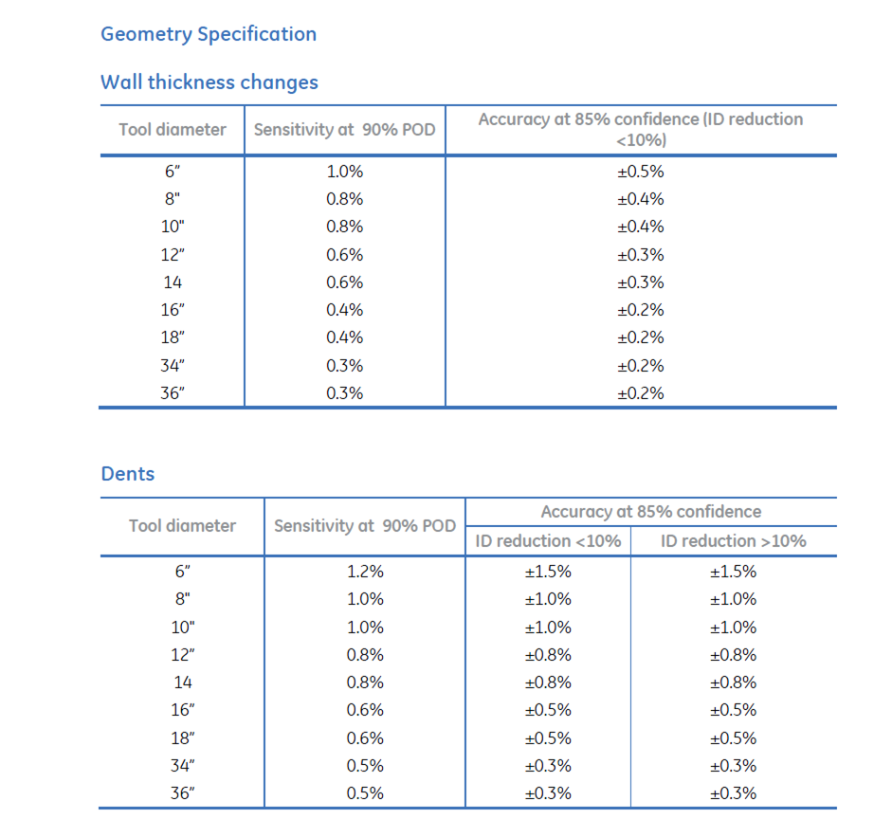
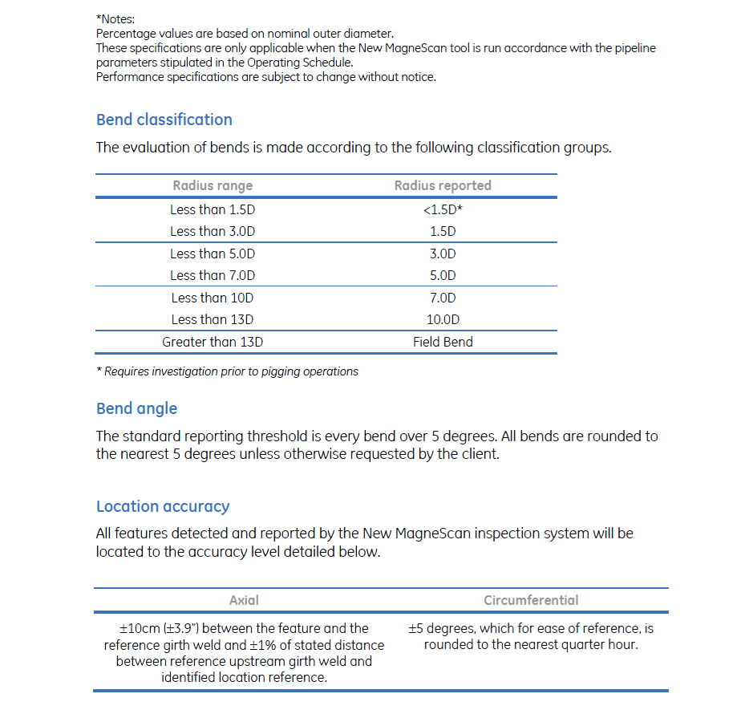
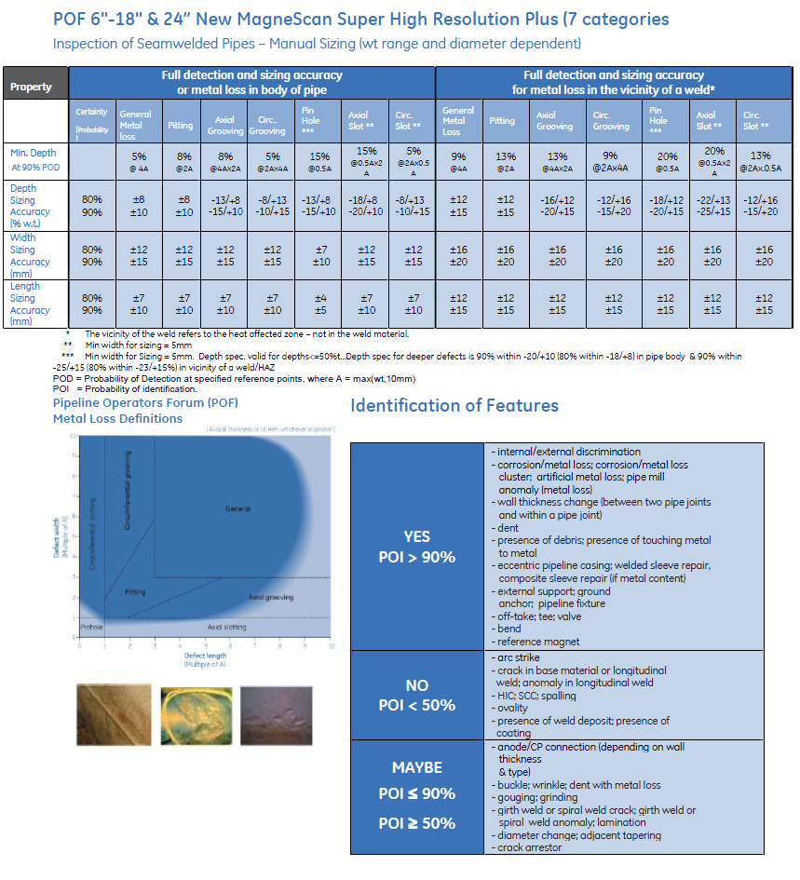
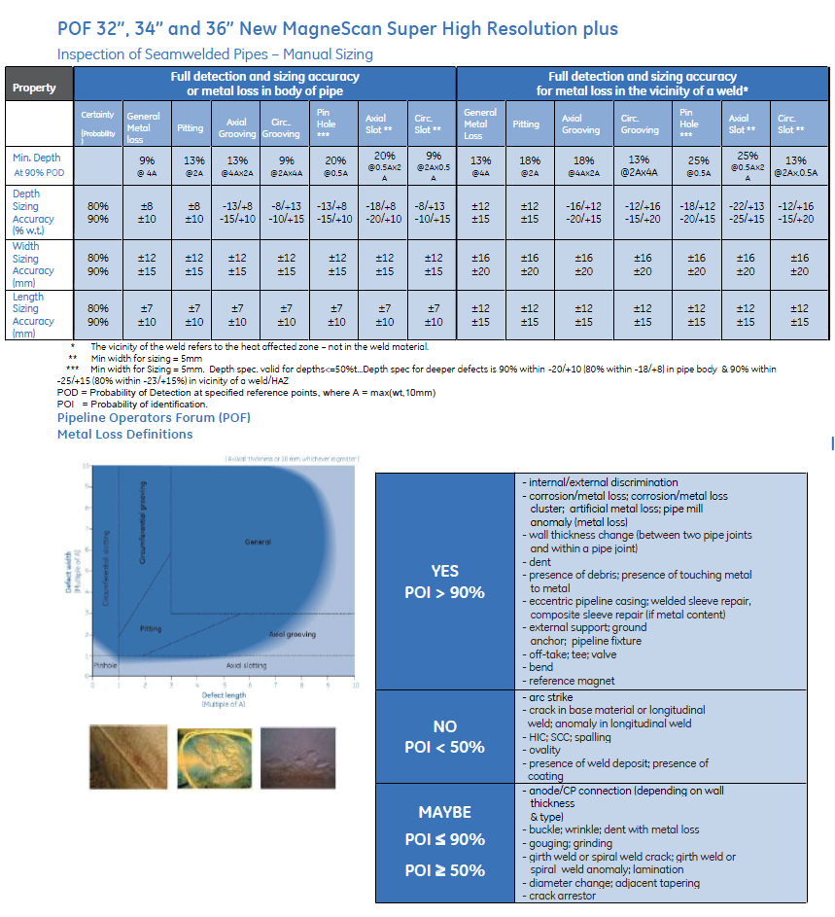
 | Company Name: | Kinder Morgan Inc.
 | Contract: | 452946_12C
 | Launch/Receive: | Lake Woodlands Drive to GSU Tie-In
 | ILI Run Date: | 2023-10-05
 | Report Date: | 2023-11-30
 | Diameter: | 12 | inch
 | Length: | 21.11 | miles
 | Product: | Natural Gas
 | Analyst: | Irving Nino
Confidential. Not to be copied, distributed, or reproduced without prior approval
Baker Hughes Confidential Information. Copyright 2020 Baker Hughes Company. All rights reserved.
Tool Specifications

